Sheet1
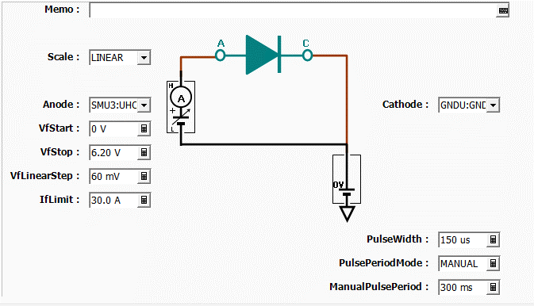
Index | Vf | If
1 | 2.2 mV | -2.0 mA
2 | 61.8 mV | -3.0 mA
3 | 123.1 mV | 3.5 mA
4 | 182.1 mV | -21.0 mA
5 | 241.9 mV | -500 uA
6 | 302.8 mV | -14.5 mA
7 | 361.7 mV | -27.5 mA
8 | 422.0 mV | -18.5 mA
9 | 480.8 mV | 7.0 mA
10 | 541.9 mV | 27.5 mA
11 | 596.6 mV | 30.5 mA
12 | 652.7 mV | 88.0 mA
13 | 705.0 mV | 156.5 mA
14 | 757.5 mV | 228.0 mA
15 | 807.1 mV | 308.5 mA
16 | 854.3 mV | 421.5 mA
17 | 899.3 mV | 520.5 mA
18 | 944.2 mV | 680.5 mA
19 | 986.6 mV | 834.0 mA
20 | 1.0297 V | 962.5 mA
21 | 1.0686 V | 1.1430 A
22 | 1.1083 V | 1.3385 A
23 | 1.1449 V | 1.5290 A
24 | 1.1815 V | 1.7260 A
25 | 1.2178 V | 1.9325 A
26 | 1.2498 V | 2.1805 A
27 | 1.2838 V | 2.4045 A
28 | 1.3178 V | 2.6225 A
29 | 1.3496 V | 2.8580 A
30 | 1.3803 V | 3.1075 A
31 | 1.4079 V | 3.3665 A
32 | 1.4384 V | 3.6100 A
33 | 1.4672 V | 3.8965 A
34 | 1.4965 V | 4.1695 A
35 | 1.5250 V | 4.4575 A
36 | 1.5521 V | 4.7125 A
37 | 1.5779 V | 5.0015 A
38 | 1.6034 V | 5.3130 A
39 | 1.6302 V | 5.5880 A
40 | 1.6571 V | 5.9030 A
41 | 1.6811 V | 6.1825 A
42 | 1.7075 V | 6.4910 A
43 | 1.7297 V | 6.8030 A
44 | 1.7540 V | 7.1040 A
45 | 1.7778 V | 7.4275 A
46 | 1.8012 V | 7.7200 A
47 | 1.8248 V | 8.0480 A
48 | 1.8431 V | 8.3690 A
49 | 1.8665 V | 8.7150 A
50 | 1.8898 V | 9.0395 A
51 | 1.9127 V | 9.3685 A
52 | 1.9340 V | 9.6685 A
53 | 1.9548 V | 10.0125 A
54 | 1.9738 V | 10.3480 A
55 | 1.9967 V | 10.6985 A
56 | 2.0149 V | 11.0140 A
57 | 2.0369 V | 11.3570 A
58 | 2.0570 V | 11.7195 A
59 | 2.0766 V | 12.0425 A
60 | 2.0975 V | 12.3925 A
61 | 2.1158 V | 12.7300 A
62 | 2.1350 V | 13.0860 A
63 | 2.1534 V | 13.4335 A
64 | 2.1734 V | 13.7920 A
65 | 2.1925 V | 14.1130 A
66 | 2.2111 V | 14.5025 A
67 | 2.2280 V | 14.8135 A
68 | 2.2483 V | 15.1975 A
69 | 2.2644 V | 15.5625 A
70 | 2.2838 V | 15.9030 A
71 | 2.3027 V | 16.2775 A
72 | 2.3196 V | 16.6335 A
73 | 2.3380 V | 16.9905 A
74 | 2.3553 V | 17.3720 A
75 | 2.3742 V | 17.7195 A
76 | 2.3912 V | 18.0635 A
77 | 2.4069 V | 18.4390 A
78 | 2.4258 V | 18.8000 A
79 | 2.4421 V | 19.1525 A
80 | 2.4580 V | 19.5635 A
81 | 2.4760 V | 19.9175 A
82 | 2.4929 V | 20.2880 A
83 | 2.5101 V | 20.6510 A
84 | 2.5259 V | 21.0180 A
85 | 2.5413 V | 21.4065 A
86 | 2.5594 V | 21.7830 A
87 | 2.5739 V | 22.1290 A
88 | 2.5927 V | 22.5025 A
89 | 2.6080 V | 22.8815 A
90 | 2.6237 V | 23.2780 A
91 | 2.6390 V | 23.6445 A
92 | 2.6541 V | 24.0315 A
93 | 2.6698 V | 24.3885 A
94 | 2.6862 V | 24.7655 A
95 | 2.7010 V | 25.1580 A
96 | 2.7164 V | 25.5210 A
97 | 2.7335 V | 25.9225 A
98 | 2.7469 V | 26.2830 A
99 | 2.7650 V | 26.6540 A
100 | 2.7803 V | 27.0740 A
101 | 2.7952 V | 27.4445 A
102 | 2.8088 V | 27.8415 A
103 | 2.8239 V | 28.2145 A
104 | 2.8394 V | 28.6015 A

